Data
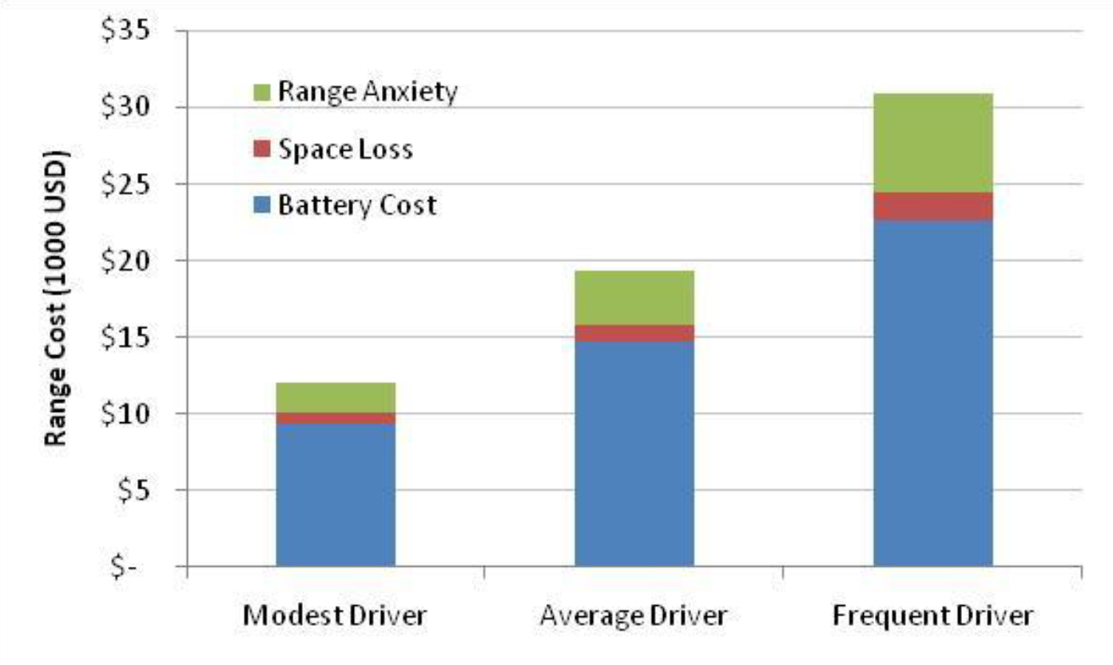
Range anxiety bar height (avg. driver) | 68 | pixels
Cost line separation | 96 | pixels
Cost per line separation | 5000 | 2010 USD / line separation
Cost per pixel | 52 | 2010 USD / pixel
Range anxiety cost | 3542 | 2010 USD
Range anxiety cost | 3729 | 2012 USD

